Screenshot Evidence
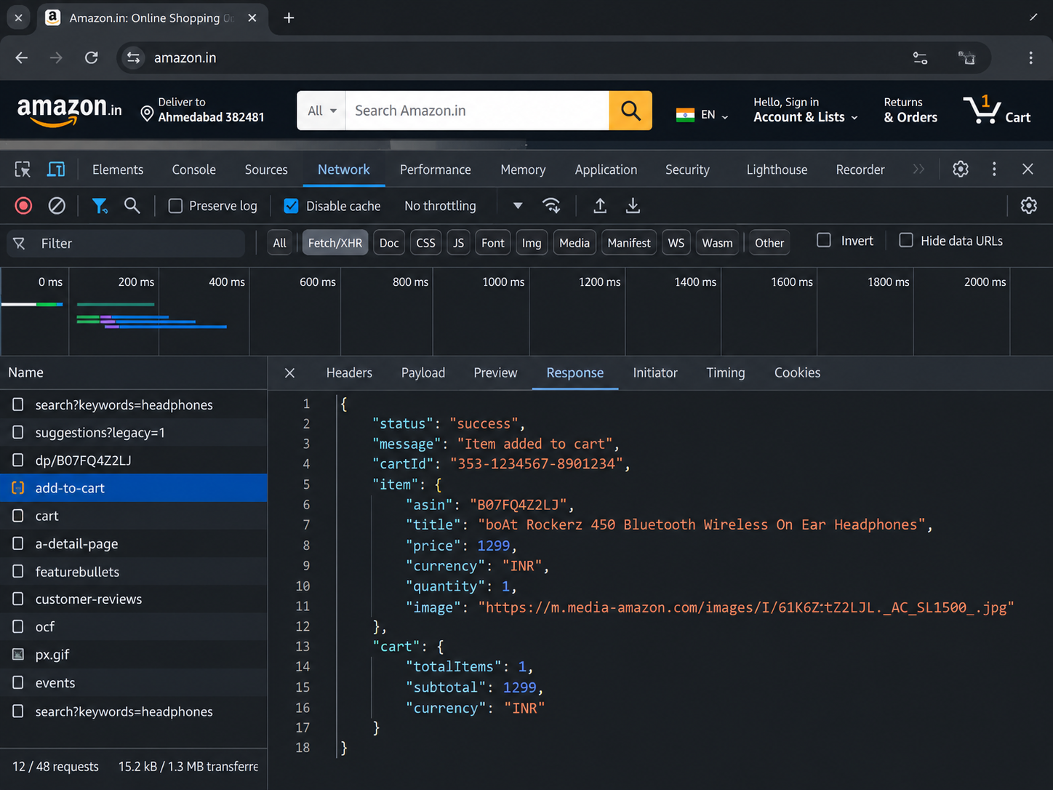
Screenshot Evidence – Amazon E-Commerce Testing

Evidence 1: Available screenshot – Amazon homepage
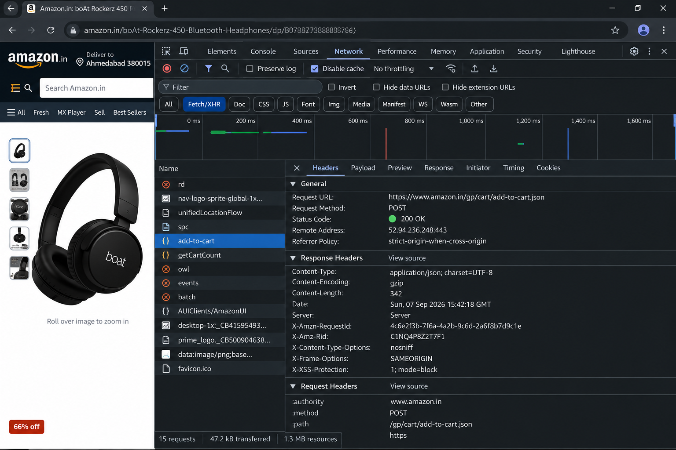

Evidence 2: Available screenshot – Product details / Add to Cart
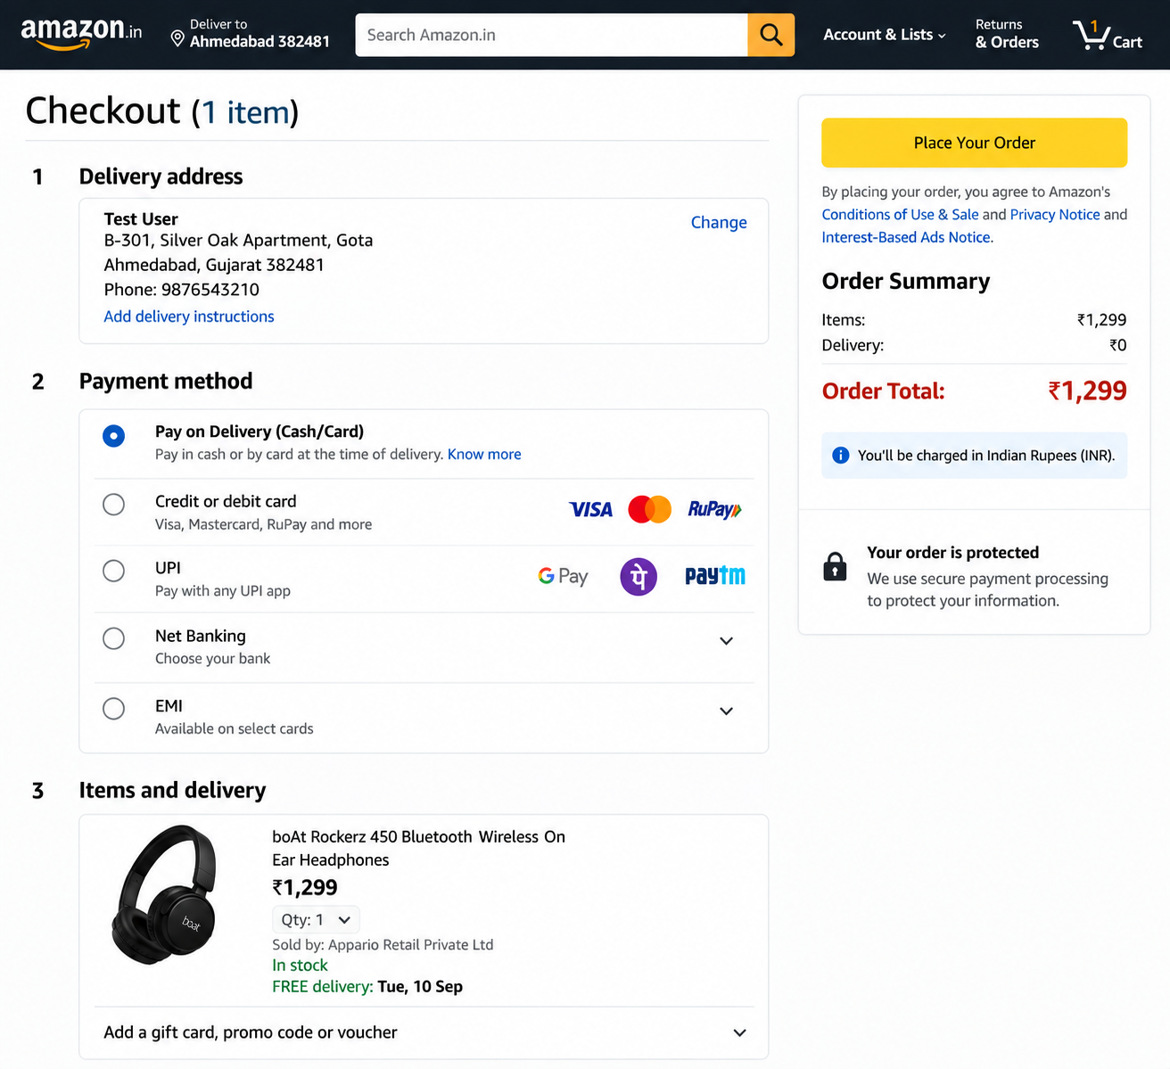

Evidence 3: Available screenshot – Shopping Cart
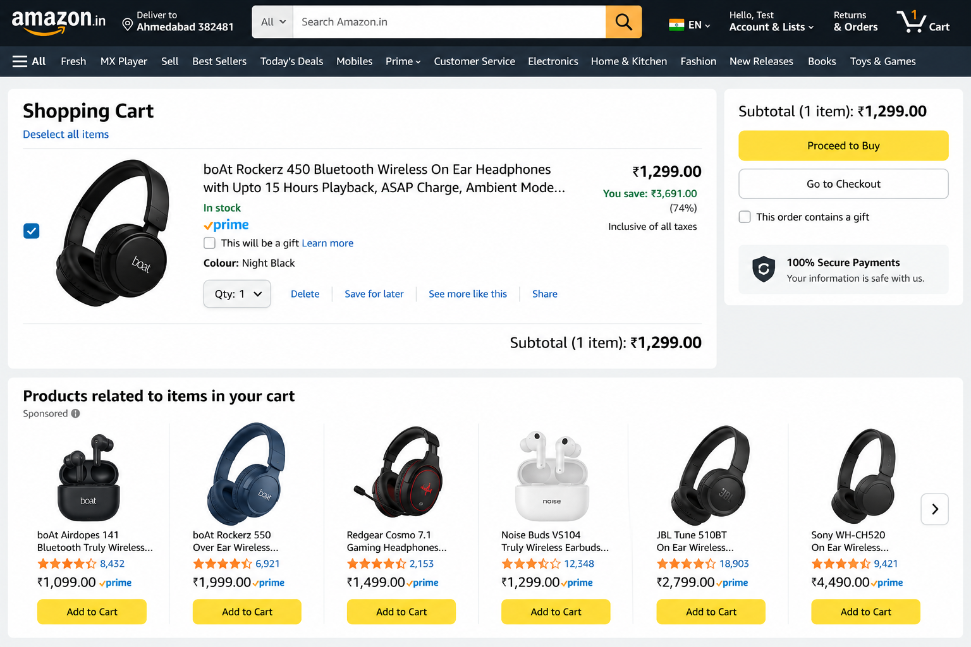

Evidence 4: Available screenshot – Checkout
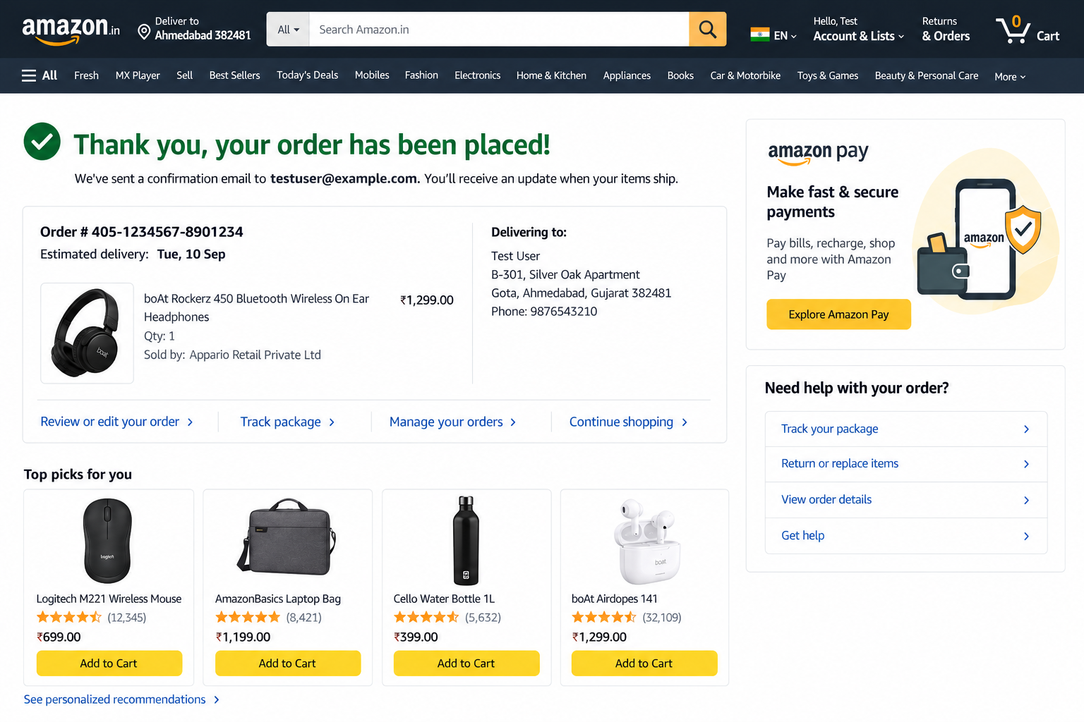

Evidence 5: Available screenshot – Order confirmation
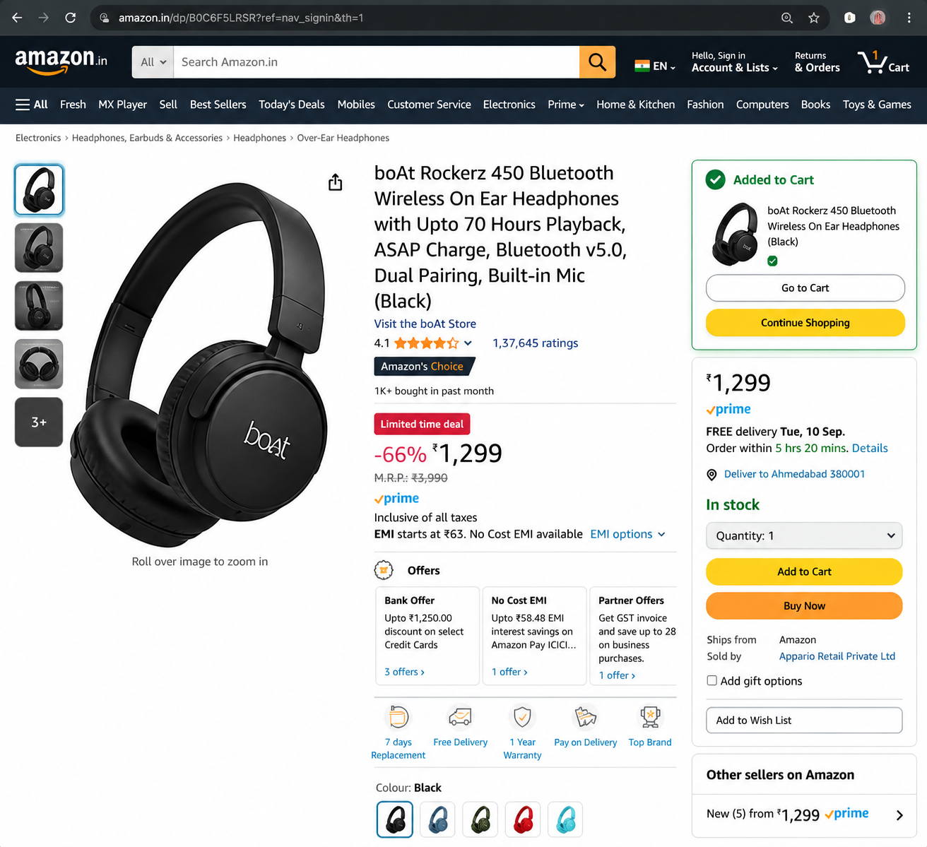

Evidence 6: Available screenshot – Invalid email validation


Evidence 7: Available screenshot – DevTools Network / add-to-cart request
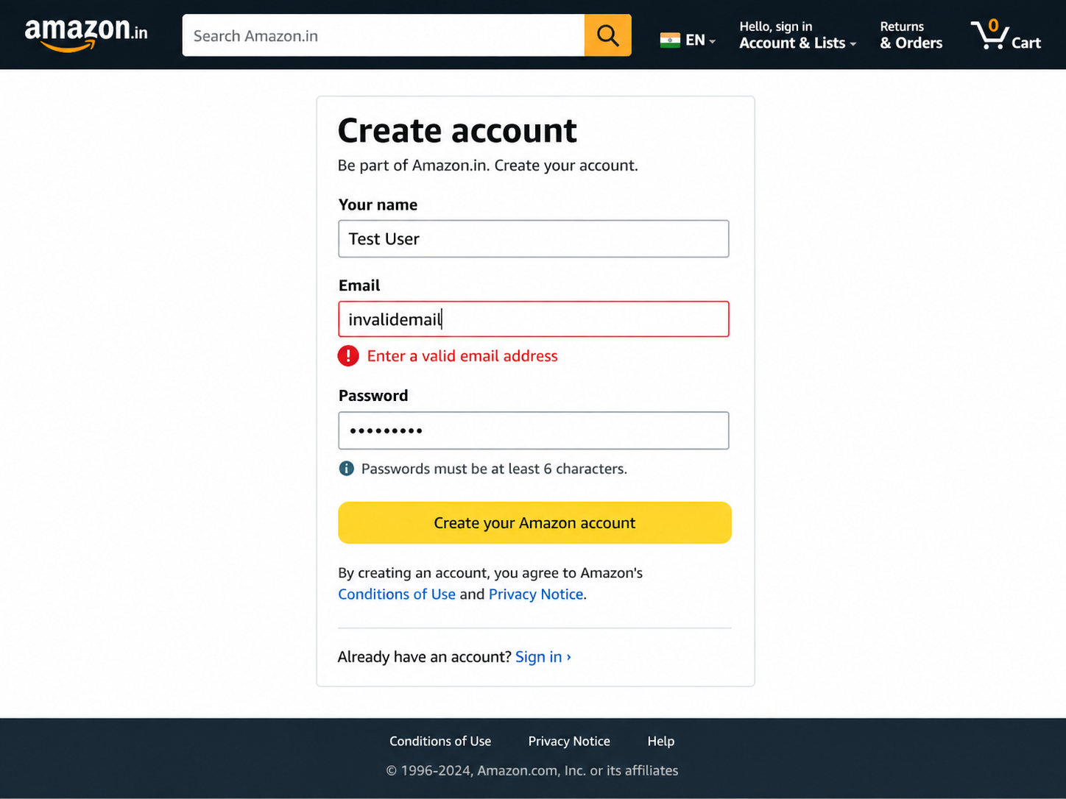

Evidence 8: Available screenshot – DevTools Response / JSON success

